Mirai Botnet
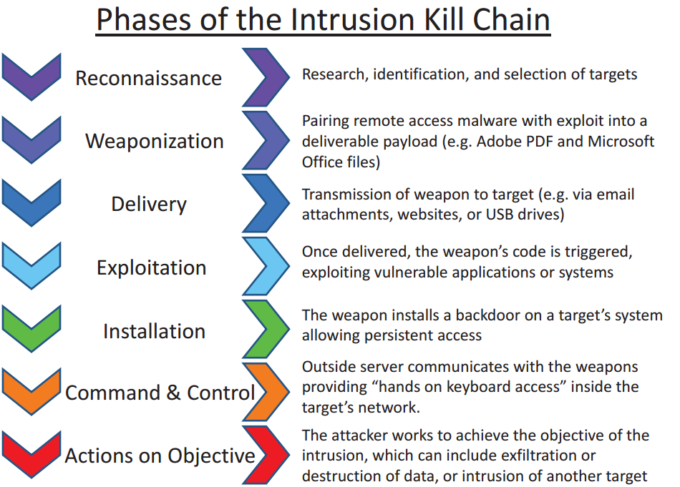
MIRAI Botnet analysis
https://www.usenix.org/system/files/conference/usenixsecurity17/sec17-antonakakis.pdf

Kill chain step | Attack step | Vulnerabilities exploited | IoT SF Practice /Control | Difficulty to apply control
Reconnaissance | Research previous to the development of the malware. Identification of vulnerable devices and their characteristics including OS,
Weaponization | Integrate different exploits in a software tool (malware)
Delivery | Send TCP SYN probes to large numbers of IP address to scan for vulnerable devices. Attempt to stablish a Telnet connection through a dictionary attack. If login is successful, the IP address and credentials are sent to a server. A separate program is used to log in and identify the type of device. | Weak authentication/default credentials (dictionary attacks) Devices directly connected to the internet (no firewall) | E: Application security Remove all default user accounts and passwords (1) 3.5.7. The product has defence against brute force repeated login attempts (2). | Low
Exploitation | The malware version specific for the device is downloaded and executed. | No privilege segmentation to download and install software | 2.3.4.9 Applications are operated at the lowest privilege level possible (2)
Installation | The malware is installed, hiding traces of its presence and establishes communications with the C&C platform
Command &Control | Commands to bots are sent | Devices directly connected to the internet (no firewall) | 3.4.1. The product prevents unauthorised connections to it or other devices the product is connected to, at all levels of the protocols. | Low
Actions and Objectives | A DDoS attack is launched by sending connection request to the target victim | Devices directly connected to the internet (no firewall) |  | Low

Threat | Very High |  | Total vulnerability score | 9.4
Difficulty | Low |  | Vulnerability | Critical
Motivation+Resources | High |  | Likelihood | Very High

Actor | Impact | Risk | Controls they can apply | Incentives to apply controls | Barriers to apply controls | Cost/Benefit (Positive/Negative/Neutral)
Manufacturer/developer | Moderate (Brand reputation) | High | Enforce changing default credentials | Improve brand reputation (positive impact in sales and revenues) | 1. Additional production costs in including security requirements (e.g. change of default password in the setup, resilience to brute force attacks, require additional privileges to install software) 2. Lack of security awareness | Positive The solutions require programming and probably additional computing resources (e.g. processor, memory) but it can rely I secure coding known best practices so the cost should be low compare to the benefits.
Administrator/ User | Very Low (Slow service and confidentiality threats) | Moderate | Change default credentials. Use a firewall | 1. None or... 2. Not causing further damages to other internet users. | Lack of wanes, lack of knowledge | Neutral Although the cost of improving security would be relatively low, it is likely that the user will not consider any benefit. Specially if they are not aware of the risk.
Third parties at risk | Depends on the context | Depends on the context | None | Applying controls is beyond the domain of this party. | Applying controls is beyond the domain of this party. | Not applicable

CVSS
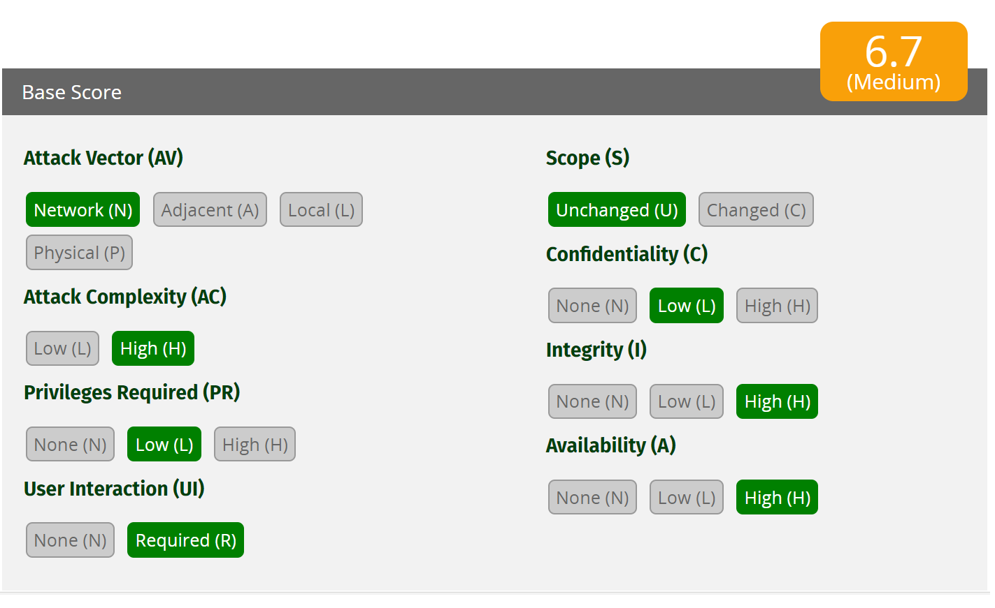
Mirai Botnet
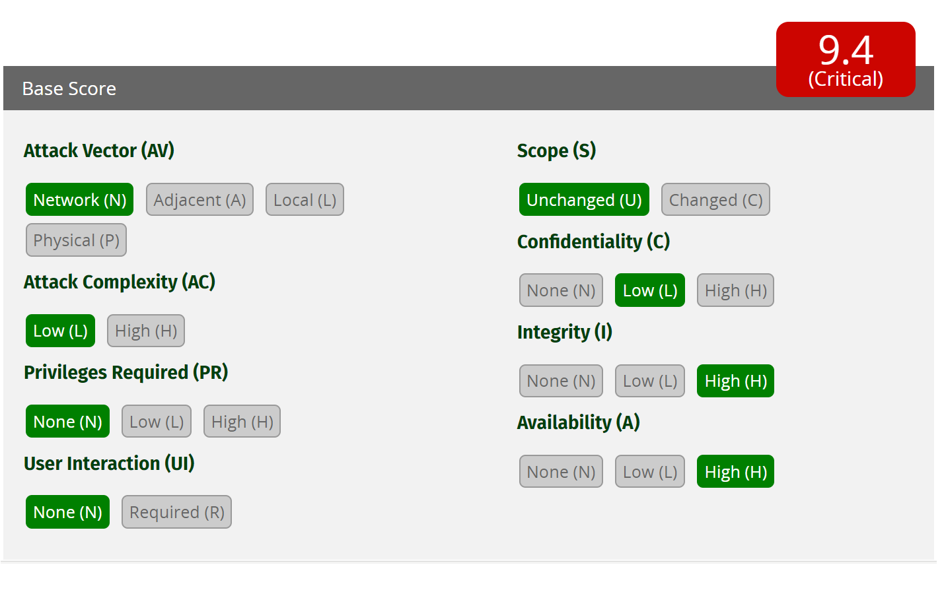

Jeep Cherokee

